Sheet1
 |  | Document No. | Issue No. |  | Issue Date |  | Review and Replace Date |  | Authorised By
 |  | GFF534MC | 2 |  | 28.08.2025 |  | 04.06.2026
 |  | Document Title | GAZEBO DELI 10 Chicken Tikka Samosa (Yellow) | 1000G
 |  | Film Updated |  |  |  | Page |  | 1 of 1 | Magda Shah
Document amendments reason for change |  |  |  |  |  | Previous Issue Date |  | 28.08.2025 | Uncontrolled copy unless signed original

CCSAL1-B10T | GAZEBO DELI - BOOTHS |  | 10 Chicken Tikka Samosa (Yellow) 100G | 1000G
STEP 1 |  |  |  | STEP 2
 |  |  |  | 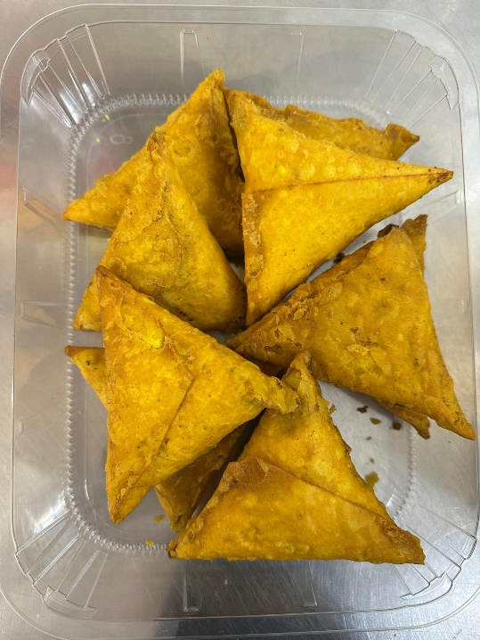

3 Colour coded tags- WHITE & BLUE & PINK should be on the Gz Deli Chicken Tikka Samosa- (yellow Pastry) 100 g
NEW RECIPE
Tray: HW308/60 open ECO tray- (PKESS001-12) Film: 25mu Weld Seal Mono PET Film (300mm x 1000lm) (PKCLI001-01) |  |  |  |  |  | 10 Chicken Tikka Samosa (Yellow Pastry) 100G-GFF537R
 |  |  |  |  |  | 1000g
ALLERGY ALERT: SOYA, WHEAT

